00_Cart_Management_Defect_Logs
Project Name | Eyan Food Cafe
Module | Cart Management API Testing- Defect Logs
Build | V- 1.0
Test Manager | James Ian Largo
Date of Creation | 2/22/2026

Bug ID | Related Test Scenario | Related Test Case | Summary | Steps to Reproduce | Expected | Actual Result | Screenshot
DEF-001 | API-TS-002 | TC-002 | Product added without required fields | 1. Open Postman 2. Select HTTP method → POST 3. Click Body → form-data 4. Set product name: blank 5. Enter product price: 50 6. Click Send | 400 Bad Request validation error | 1. Status code 201 Created 2. Product added without product name
DEF-002 | API-TS-003 | TC-003 | Server accepted price set to fifty instead of 50 | 1. Open Postman 2. Select HTTP method → POST 3. Click Body → form-data 4. Set product name: Donut 5. Enter product price: fifty 6. Click Send | 400 Bad Request returned | 1. Status code 201 Created 2. Product added with price set to fifty
DEF-003 | API-TS-004 | TC-004 | Server accepted inputs below minimum length | 1. Open Postman 2. Select HTTP method → POST 3. Click Body → form-data 4. Set product name: J 5. Enter product price: 50 6. Click Send | 400 Bad Request returned | 1. Status code 201 Created 2. Product added with price set to fifty | 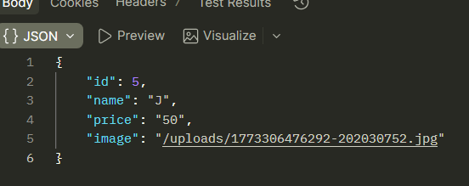
DEF-004 | API-TS-006 | TC-006 | Returned all products | 1. Open Postman 2. Select HTTP method → GET 3. Click Body → form-data 4. Set product name: Pizza 6. Click Send | Returned with specific product queried only | Returned with all the products | 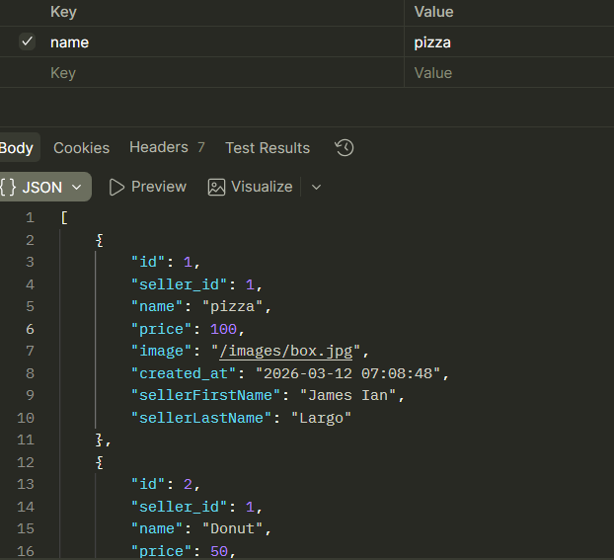
DEF-005 | API-TS-007 | TC-007 | Request Non-existing ID | 1. Open Postman 2. Select HTTP method → GET 3. Click Body → form-data 4. id: 5 6. Click Send | Returned with specific product with ID being queried | Returned with all the products | 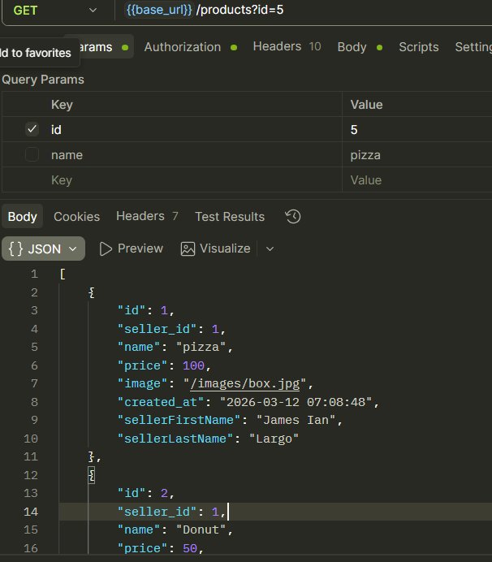
DEF-006 | API-TS-012 | TC-012 | HTTP Method validation | 1. Open Postman 2. Select HTTP method → GET 3. Click Body → form-data 4. Set product name: Donut 5. Enter product price: fifty 6. Click Send | Validation Message visible “HTTP Method not allowed” | Returned with status code 200 OK | 